Cover Page
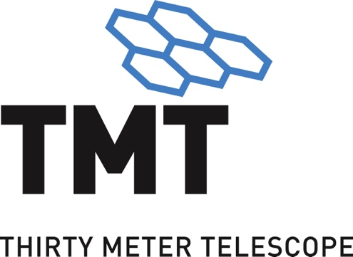

TMT Science Capabilities Matrix

 | TMT.PSC.TEC.21.001.REL02

 | 2022-09-27

Stats - Obs Mode & Inst
Number of Observing Programs by Observing Modes and Instruments
 | Total
ExAO PFI | 14
GLAO WFOS | 2
MIRAO MIRES | 28
MIRAO NIRES-r | 22
MOAO IRMOS | 34
NFIRAOS LGS MCAO IRIS IFU | 69
NFIRAOS LGS MCAO IRIS Imager | 42
NFIRAOS LGS MCAO MODHIS | 16
NFIRAOS NGSAO IRIS IFU | 10
NFIRAOS NGSAO IRIS Imager | 5
NFIRAOS NGSAO MODHIS | 1
NFIRAOS SL IRIS IFU | 1
NFIRAOS SL MODHIS | 1
SL HROS | 39
SL WFOS | 62
Obs Mode / Instrument | Observing Program Count
ExAO | 17
PFI | 14
PFI (Spectrograph) | 1
PFI (Imager) | 1
PFI (Imaging Polarimeter) | 1
GLAO | 2
WFOS | 2
MIRAO | 50
MIRES | 28
NIRES-r | 22
MOAO | 34
IRMOS | 34
NFIRAOS LGS MCAO | 127
IRIS IFU | 68
IRIS Imager | 42
MODHIS | 17
NFIRAOS NGSAO | 18
IRIS IFU | 11
IRIS Imager | 6
MODHIS | 1
NFIRAOS SL | 2
IRIS IFU | 1
MODHIS | 1
SL | 101
HROS | 39
WFOS | 62
Grand Total | 351

Stats - First Light Inst
% of Observing Programs FOR First Light Instruments
First Light Instrument | Observing Program Count
IRIS IFU | 80
IRIS Imager | 48
MODHIS | 19
WFOS | 64
Grand Total | 211

Stats - All Inst
% of Observing Programs For First Light and First Decade Instruments
Instrument | Observing Program Count
HROS | 39
IRIS IFU | 80
IRIS Imager | 48
IRMOS | 34
MIRES | 28
MODHIS | 19
NIRES-r | 22
PFI | 14
WFOS | 64
PFI (Spectrograph) | 1
PFI (Imager) | 1
PFI (Imaging Polarimeter) | 1
Grand Total | 351

